Process
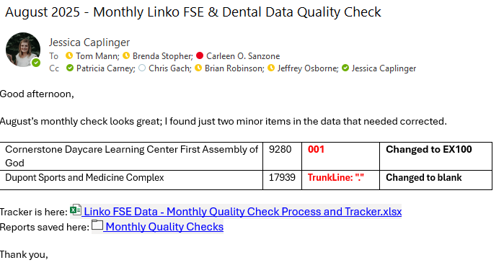
Monthly Quality Check Process |  | Associated Links
1 | Run each report (4 total) as identified in: | Steps to Download Reports
2 | Save the reports to: | Monthly Quality Checks
3 | Filter and/or use conditional formatting to highlight data that does not follow the new scripts as stipulated here: | Final Scripts and Update Plan.xlsx
4 | Create a New Tab for each month to track any issues found in the data | See tabs within this workbook below ↓
5 | Email IPS Team the tracker, an itemized list of any data that was corrected. | Example screenshot ↓

